ProductionVolumeEstimation
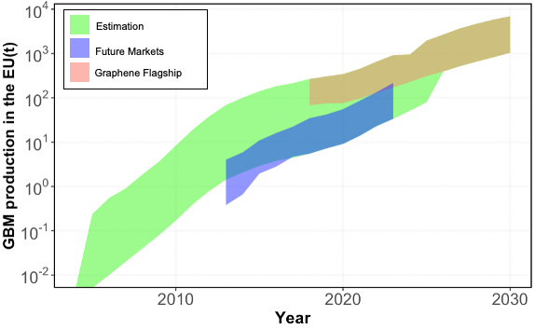
Projected production volume of Graphene in year | Min |  | Mean |  | Max |  | Patent information (accumulated) | Estimated global graphene production volume |  |  | Demand of Europe (%) |  | Estimated graphene production volume in Europe
 | Future Markets | Döscher et al., 2018 | Future Markets | Döscher et al., 2018 | Future Markets | Döscher et al., 2018 | Yang et al., 2018 | Lower boundary | Average | Upper boundary | Döscher et al., 2018 | Estimate | Lower boundary | Average | Upper boundary
2004 |  |  |  |  |  |  | 45 | 0.00 | 0.00 | 0.00 |  | 36.39 | 0.00 | 0.00 | 0.00
2005 |  |  |  |  |  |  | 104 | 0.01 | 0.17 | 0.65 |  | 36.39 | 0.00 | 0.06 | 0.24
2006 |  |  |  |  |  |  | 173 | 0.03 | 0.39 | 1.51 |  | 36.39 | 0.01 | 0.14 | 0.55
2007 |  |  |  |  |  |  | 354 | 0.05 | 0.65 | 2.51 |  | 36.39 | 0.02 | 0.24 | 0.91
2008 |  |  |  |  |  |  | 694 | 0.11 | 1.32 | 5.14 |  | 36.39 | 0.04 | 0.48 | 1.87
2009 |  |  |  |  |  |  | 1592 | 0.21 | 2.59 | 10.08 |  | 36.39 | 0.08 | 0.94 | 3.67
2010 |  |  |  |  |  | 1.38 | 3616 | 0.48 | 5.95 | 23.12 |  | 36.39 | 0.17 | 2.16 | 8.41
2011 |  |  |  | 1.75 |  | 2.37 | 7268 | 1.08 | 13.51 | 52.52 |  | 36.39 | 0.39 | 4.92 | 19.11
2012 |  |  |  | 2.32 |  | 5.84 | 13058 | 2.17 | 27.16 | 105.56 |  | 36.39 | 0.79 | 9.88 | 38.41
2013 |  | 1.06 |  | 3.53 |  | 11.08 | 19061 | 3.90 | 48.79 | 189.65 |  | 36.39 | 1.42 | 17.75 | 69.02
2014 |  | 1.82 |  | 6.56 |  | 16.21 | 26818 | 5.69 | 71.22 | 276.84 |  | 36.39 | 2.07 | 25.92 | 100.74
2015 |  | 5.36 |  | 13.51 |  | 30.16 | 36801 | 8.00 | 100.20 | 389.50 | 36.39 | 36.39 | 2.91 | 36.46 | 141.74
2016 |  | 8.17 |  | 21.84 |  | 46.85 | 47269 | 10.98 | 137.50 | 534.49 | 34.32 | 34.32 | 3.77 | 47.19 | 183.44
2017 |  | 14.89 |  | 32.59 |  | 71.34 | 53644 | 14.10 | 176.61 | 686.53 | 31.36 | 31.36 | 4.42 | 55.39 | 215.30
Reference year 2018 | 239.00 | 19.31 | 433.00 | 50.63 | 940.00 | 122.52 | 64721 | 19.31 | 241.82 | 940.00 | 28.40 | 28.40 | 5.48 | 68.68 | 266.98
2019 | 294.00 | 28.24 | 550.00 | 77.09 | 1198.00 | 165.36 |  | 28.24 | 313.54 | 1198.00 | 25.44 | 25.44 | 7.19 | 79.78 | 304.82
2020 | 352.00 | 42.15 | 682.00 | 117.36 | 1590.00 | 256.85 |  | 42.15 | 399.68 | 1590.00 | 21.60 | 21.60 | 9.10 | 86.32 | 343.40
2021 | 444.00 | 64.16 | 899.00 | 171.65 | 2095.00 | 398.96 |  | 64.16 | 535.33 | 2095.00 | 21.60 | 21.60 | 13.86 | 115.62 | 452.47
2022 | 575.00 | 101.68 | 1186.00 | 261.38 | 2915.00 | 595.41 |  | 101.68 | 723.69 | 2915.00 | 22.49 | 22.49 | 22.86 | 162.72 | 655.44
2023 | 765.00 | 148.74 | 1606.00 | 390.02 | 4090.00 | 962.84 |  | 148.74 | 998.01 | 4090.00 | 22.49 | 22.49 | 33.44 | 224.40 | 919.64
2024 | 1010.00 | 226.47 | 2137.00 | 605.94 | 4227.00 |  |  | 226.47 | 1371.47 | 4227.00 | 22.49 | 22.49 | 50.92 | 308.38 | 950.45
2025 | 1322.00 | 337.93 | 2962.00 | 979.65 | 8385.00 |  |  | 337.93 | 1970.82 | 8385.00 | 23.37 | 23.37 | 78.98 | 460.64 | 1959.81
2026 | 1680.00 |  | 3848.00 |  | 11496.00 |  |  | 1680.00 | 3848.00 | 11496.00 |  | 23.37 | 392.66 | 899.38 | 2686.93
2027 | 2207.00 |  | 5012.00 |  | 15820.00 |  |  | 2207.00 | 5012.00 | 15820.00 |  | 23.37 | 515.84 | 1171.44 | 3697.57
2028 | 2805.00 |  | 6327.00 |  | 20175.00 |  |  | 2805.00 | 6327.00 | 20175.00 |  | 23.37 | 655.61 | 1478.80 | 4715.46
2029 | 3515.00 |  | 8212.00 |  | 24990.00 |  |  | 3515.00 | 8212.00 | 24990.00 |  | 23.37 | 821.55 | 1919.37 | 5840.86
2030 | 4461.00 |  | 10253.00 |  | 29729.00 |  |  | 4461.00 | 10253.00 | 29729.00 |  | 23.37 | 1042.66 | 2396.41 | 6948.49

Assumptions:
1. 2018 is the reference year
2. from 2018to 2030: min and max value from given data
3. production volume of graphene is set to 0 in 2004
4. average from 2004 to 2017: the slope of yearly increase of production reflects the slope of yearly increase of patent
5. For the year 2004-2017, the growth rate for lower and upper boundary and average were assumed to reflect the growth rate of accumulated amount of patent
6. The Europenan volume was scaled from the global volume. When share of Europe is not known for a year, the share of the nearest year was used as a reference

 | Figure 1. Comparison of GBM produciton volume in EU
 | Note that the range of data from 'Graphene Flagship (legend: red)' completely overlaps with 'Estimation (legend: green)'. Therefore, 'Graphene Flagship' is shown in brown in the plot.
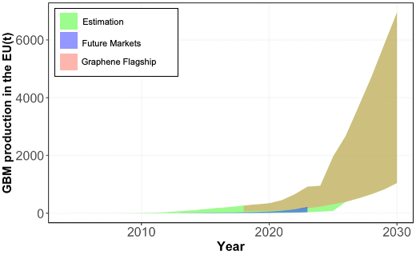

 | Figure 2. Comparison of GBM produciton volume in EU in logarithmic scale
 | Note that the range of data from 'Graphene Flagship (legend: red)' completely overlaps with 'Estimation (legend: green)'. Therefore, 'Graphene Flagship' is shown in brown in the plot.

