Comments
Additional comments
Abberations:
n.a. = not available = The Information was not found in any of the sources (Cause may also be that the testing was not necessary because the annually produced tonnage didn't cross specific values defined in REACH)
n.s. = not specified = The information was not specified in any of the sources (mostly additional information like pH or T for solubility tests or other)
n.r. = not required = The information was not required because of phys/chem/tox properties of the substance which make the required test technically not feasible
Data use and evaluation:
Data gathered from databases and literature was first sorted/imported into different base sheets (References, Fluorescence, GHS, Phys Chem, etc.). In the MasterSheet, the function VLookup was used. This allows to work in the MasterSheet and sort/exclude/include different values and parameters without the possibility of affecting the base data. It is recommend to refrain from working in the different base sheets except from the master sheet to avoid false alignment of information (aside from adding new markers and their information).

Regarding fluorescence:
The IR-Absorbance spectra mostly originate from chem-databases like pubchem, chemspider or spectrabase.
Also the peaks of the markers may shift, depending on the solvent/matrix they are integrated in.
Emission spectra will be primarely be found in literature and the used excitation wavelength will be noted.
NIR Absorbance of POM is negligible between 1785 nm and 2222 nm / 5600 cm-1 and 4500 cm-1 (Bec et al., 2021).
Possible NIR Markers should be placed in between this range.
In case of QDs and Nanotubes, relevant information will mostly originate from literature since the spectra from the database will originate from the base compound (e.g. CdTe) and will not take the specific attributes of the QD-form into account.
Data is incomplete since scouring the literature and databases requires significant ressources.
Priority and data flow:
If a substance is not registered under REACH data from CLP will be used. This may lead to a lack of phys,- chem,- parameter in which case the safety data sheed provided by the distributer will be taken into account as seen in the figure on the bottom right.

Ecotoxicology and human toxicology:
Data in the Ecotoxicology sheet and toxicology sheet originates from REACH Registration Dossiers. The Data is incomplete since the Hazard statements displayed in the GHS sheets were used as proxys for uniform assessment of toxicity and ecotoxicity. The Data in the ecotoxicology and toxicology sheet was thought to be of use for additional differentiation in selection between seemingly identical useful substances.

Decission Tree
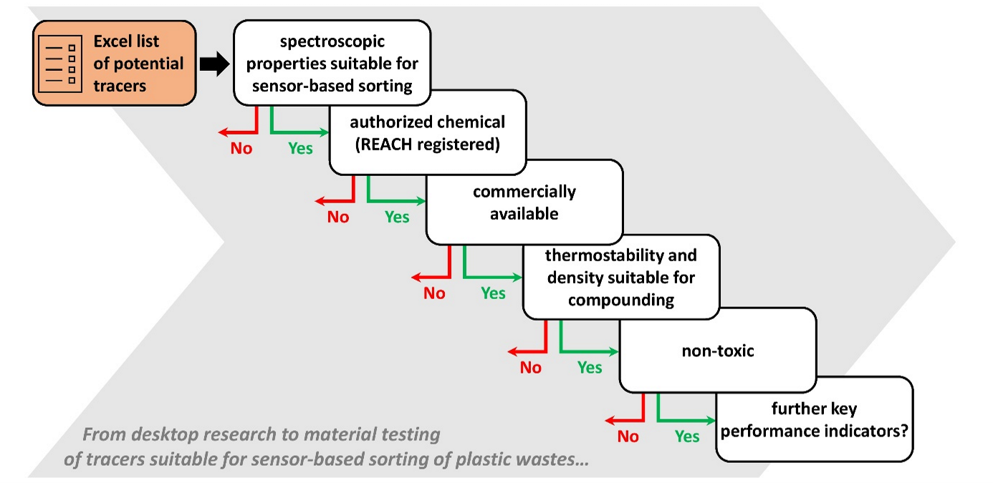
Proposed decision tree for selecting tracers from the compiled excel sheet. Parameters can be switched or modified according to requirements. Costs of the tracer substances were not considered in this study.

